3_Datatypes_constraints
3_Datatypes_Constraints | SQL QUERY AND ANSWERS

Question 1:
Write a small explanation of all commands in Data Control Language (DCL) and Transaction Control Language (TCL), along with some examples. | DCL (Data Control Language) List of DCL commands: GRANT: This command gives users access privileges to the database. Syntax: GRANT SELECT, UPDATE ON MY_TABLE TO SOME_USER, ANOTHER_USER; REVOKE: This command withdraws the user’s access privileges given by using the GRANT command. Syntax: REVOKE SELECT, UPDATE ON MY_TABLE FROM USER1, USER2; | TCL (Transaction Control Language) Transactions group a set of tasks into a single execution unit. TCL commands are used to control the execution of a transaction: BEGIN: Opens a Transaction. COMMIT: Commits a Transaction. Syntax: COMMIT; ROLLBACK: Rollbacks a transaction in case of any error occurs. Syntax: ROLLBACK; SAVEPOINT: Sets a save point within a transaction. Syntax: SAVEPOINT SAVEPOINT_NAME;

Question 2:
create an table "customer" with following columns
cust_id -- small int cust_no -- medium int cust_firstname -- char cust_lastname -- varchar cust_gender -- varchar cust_dob -- DATE cust_age -- int cust_revenue -- decimal cust_spend_amt -- float cust_address -- TEXT cust_city -- CHAR cust_comments -- TEXT cust_status -- ENUM (active, Inactive) cust_available -- BOOLEAN | CREATE TABLE customer ( cust_id smallint, cust_no mediumint, cust_firstname char, cust_lastname varchar(20), cust_gender varchar(20), cust_dob DATE, cust_age int, cust_revenue decimal, cust_spend_amt float, cust_address TEXT, cust_city CHAR, cust_comments TEXT, cust_status ENUM("active", "Inactive"), cust_available BOOLEAN ); | 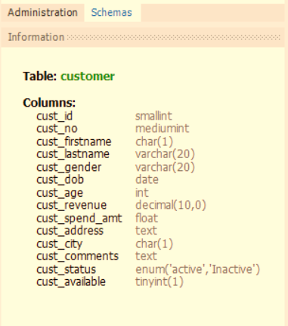 | 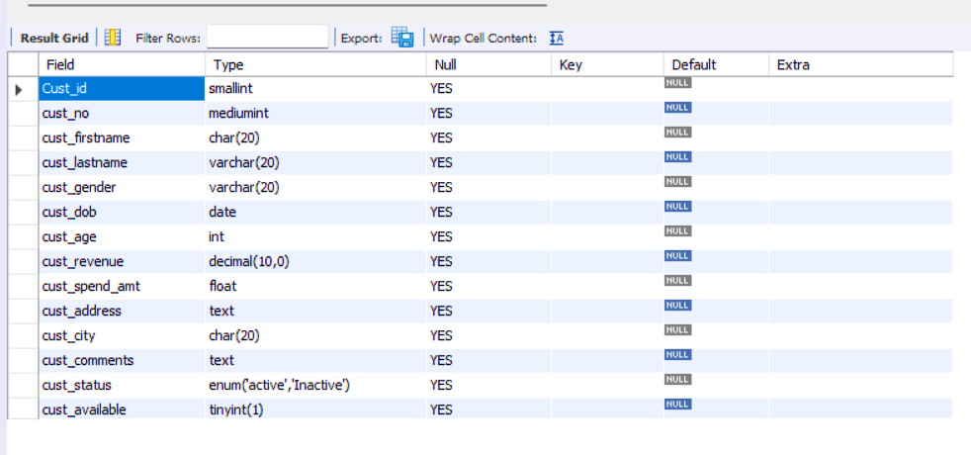

Note : column size as per your wish and enter 5 records into the table

Question 3:
The output of the SELECT statement should be a single column
1) convert a value of the cust_id column to string.
2) convert a value of the cust_dob column to date.
3) convert a value of the cust_revenue column to int
4) convert a value of the cust_available column to text

Question 4:
Return "Child" if the customer's age is less than 18,
Adult Customer if the customer's age is between 21 and 65,
and "Senior Customer" if the customer's age is greater than 65.

Question 5:
Alter the above table by adding the following constraints
cust_id -- not null cust_no -- unique cust_city -- default with a value NY

Question 6:
Create a table called 'Employees' with the following columns:
EmployeeID as an integer primary key Name as a non-null varchar(50) Age as an integer with a check constraint that ensures the age is greater than or equal to 18 Department as a varchar(50) with a default value of 'IT'. | 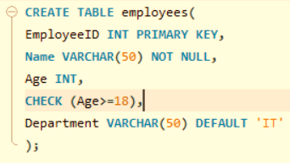 |  | Reason : Age has a CHECK (Age>=18), Every valu must comes under the CHECK for valid values.

Insert some value and if its failed to insert, will provide the some comment on why it was failing

Question 7:
Create an table "customers1" with below columns

Create an table "orders" with below columns
order_id -- INT -- PRIMARY KEY ,
customer_id -- INT -- NOT NULL ,
order_date -- DATE

Make an connection(link) between customers_data and orders tables
explain what operation you did for that.

Question 8:
Enter some random 5 records of data into customers_data and orders table.

Question 9:
Remove any of 2 records from the customers_data and orders table.
Explain how to remove the data from the two tables in a steps

Question 10: | Comparison Basis | Primary Key | Unique Key
Difference between unique and primary key | Basic | The primary key is used as a unique identifier for each record in the table. | The unique key is also a unique identifier for records when the primary key is not present in the table.
 | NULL | We cannot store NULL values in the primary key column. | We can store NULL value in the unique key column, but only one NULL is allowed.
 | Purpose | It enforces entity integrity. | It enforces unique data.
 | Index | The primary key, by default, creates clustered index. | The unique key, by default, creates a non-clustered index.
 | Number of Key | Each table supports only one primary key. | A table can have more than one unique key.
 | Value Modification | We cannot change or delete the primary key values. | We can modify the unique key column values.
 | Uses | It is used to identify each record in the table. | It prevents storing duplicate entries in a column except for a NULL value.
 | Syntax | We can create a primary key column in the table using the below syntax: | We can create a unique key column in the table using the below syntax:

 |  | CREATE TABLE Employee | CREATE TABLE Person
 |  | ( | (
 |  | Id INT PRIMARY KEY, | Id INT UNIQUE,
 |  | name VARCHAR(150), | name VARCHAR(150),
 |  | address VARCHAR(250) | address VARCHAR(250)
 |  | ) | )

Differnce between float, double and decimal | Decimal | Float | Double
 | Data is represented in decimal using 128 bits. | Data is represented in float using 32 bits. | Data is represented in double using 64 bits.
 | The range of decimal values is approximately ±1.0�−28e−28 to ±7.9�28e28. | The range of float values is approximately ±1.5�−45e−45 to ±3.4�38e38. | The range of double values is approximately ±5.0�−324e−324 to ±1.7�308e308.
 | The precision of a decimal number is higher than both float and double. | The precision of a float number is lower than both double and decimal. | The precision of a double number is higher than float but lower than decimal.
 | The accuracy of the decimal is higher than float and double. | The accuracy of the float is lower than decimal and double. | The accuracy of the double is higher than float but lower than decimal.

